Foglio1
DESCRIPTION: |  | SQUEEGEE "L" OS |  |  | SN from 02J083
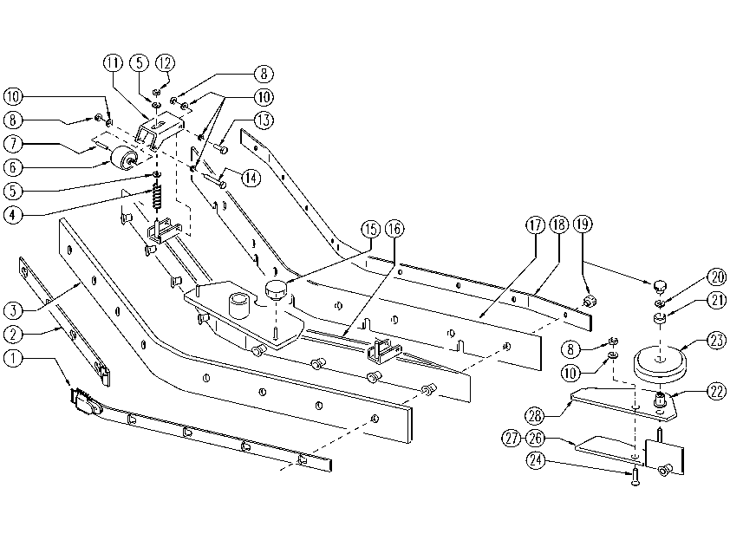

 | ITEM | SKU | DESCRIPTION | QT
 |  | E87880 | Complete Squeegee FS28/32
 | 1 | E86788 | Blade holder with hook | 1
 | 2 | E86789 | Blade holder with latch | 1
 | 3 | E87881 | Rear Squeegee Blade | 1
 | 4 | E86514 | Spring | 2
 | 5 | E86879 | Washer | 4
 | 6 | E89520 | Small wheel FS28/32 | 2
 | 7 | E89521 | Spacer FS28/32 | 2
 | 8 | E86738 | Nut M6 w/ Nylon Ring | 8
 | 10 | E86427 | Washer | 14
 | 11 | E89218 | Squeegee support | 2
 | 12 | E86853 | Nyloc Hex Nut, M8 Zinc | 2
 | 13 | E86737 | Screw | 4
 | 14 | E86499 | Hex Bolt M6x55 SS | 2
 | 15 | E86867 | Squeegee Knob | 2
 | 16 | E89107 | Squeegee body FS28/32 | 1
 | 17 | E87882 | Front Squeegee Blade | 1
 | 18 | E89201 | Blade holder | 1
 | 19 | E86526 | Handle | 12
 | 20 | E87921 | Washer | 2
 | 21 | E87834 | Bushing | 2
 | 22 | E86560 | spacer | 2
 | 23 | E86451 | AS20 Wheel | 2
 | 24 | E86790 | Screw FS28/32 | 2
 | 26 | E86791 | Left extension FS28/32 | 1
 | 27 | E86792 | Right extension FS28/32 | 1
 | 28 | E86793 | Squeegee support FS28/32 | 2

